Sheet1
literature survey for lane keep methods
No | Name | Link | Methods that have used | Remarks
1 | Design of Lane Keeping Algorithm | https://pp.bme.hu/tr/article/view/8177 | 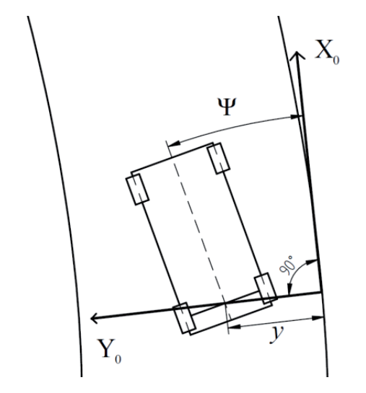 | There are some calculations and a good detailed explanation. This uses a point on the line that was detected by the camera and using that as an initial point, calculations to give linear position, angle, linear velocity, and angular velocity. | .

